HIMEL
SL NO | BRAND NAME | ORGIN | ITEM NAME | DESCRIPTION | QUANTITY | IMAGES
1 | HIMEL | MADE IN CHINA | HDY3404 | HYD3 - 40 4P 385V CHINA RELAY | 51 | 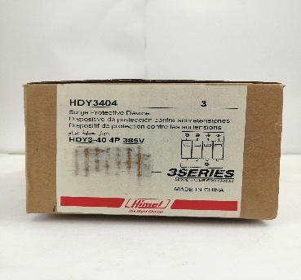 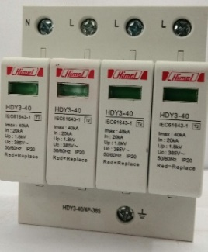
2 | HIMEL | MADE IN CHINA | HDP632P63 | HDP6-32/00 0.4-0.63A motor protector | 22 | 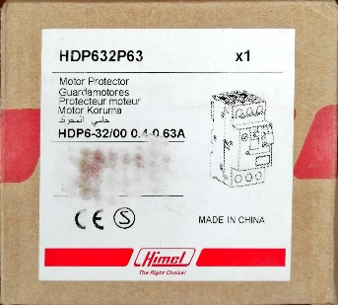
3 | HIMEL | MADE IN CHINA | HBD6V321NR300 | HDB6V 32A 1P+N | 786 | 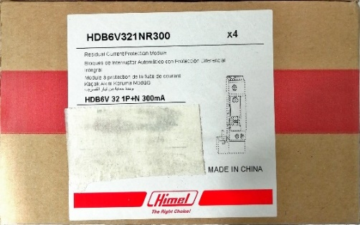 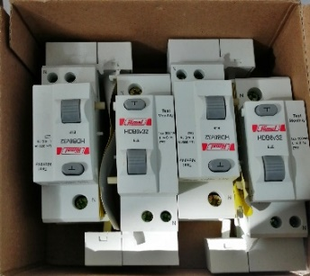
4 | HIMEL | MADE IN CHINA | HBD6V322PR300 | 6V 32A 2P 300 | 540 | 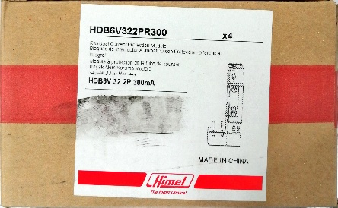 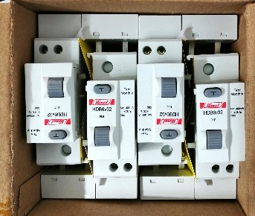
5 | HIMEL | MADE IN CHINA | HDB6V324P | 6V 32A 4P | 204 | 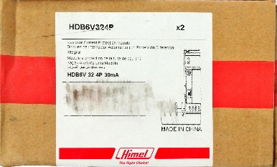 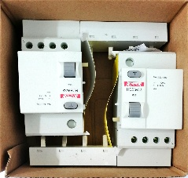
6 | HIMEL | MADE IN CHINA | HDB6V324PR300 | 6V 32A 4P300 | 220 | 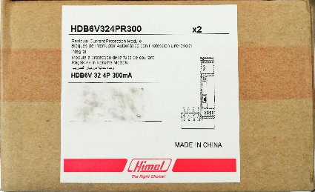 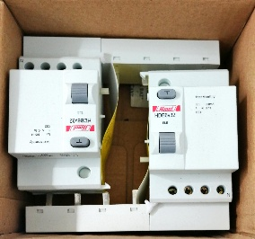
7 | HIMEL | MADE IN CHINA | HDY320F75 | HDY320475, MADE IN CHINA | 4
8 | HIMEL | MADE IN CHINA | HDB3wLEN1C10R300 |  | 3
9 | HIMEL | MADE IN CHINA | HDB3wLEN2C25R300 |  | 1
10 | HIMEL | MADE IN CHINA | HDB3wLEN1C16R300 |  | 1
 |  |  |  | TOTAL | 1832

