Sheet3
SL NO | BRAND NAME | ORGIN | ITEM NAME | DESCRIPTION | QUANTITY | IMAGE
1 | A&T | CHINA | A010SCF | 1G IW | 1,630 | 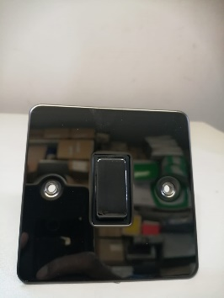
2 | A&T | CHINA | A120SCFSC | 15A IG | 1,560
3 | A&T | CHINA | A010SBF | 10A IG IW | 1577
4 | A&T | CHINA | A092SCFSC | 13A 1G | 5,714
5 | A&T | CHINA | A013SCF | 2G 2W | 780
6 | A&T | CHINA | A0935CFSC | 13A 2G | 1101
7 | A&T | CHINA | A013SBF | 10A 2G 2W | 1,250
8 | A&T | CHINA | A015SCF | 3G 2W | 744
9 | A&T | CHINA | A015BNF | 10A 3G 2W | 250
10 | A&T | CHINA | BRF A017 | 10A 4G 2W SWITCH | 40
11 | A&T | CHINA | A145 / 500SCF | 1G 2W 500W DIMMER | 250
12 | A&T | CHINA | A146 / 500SCF | 2G 2W 500W DIMMER | 257
13 | A&T | CHINA | A147 / 500SCF | 3G 2W 500W DIMMER | 132
14 | A&T | CHINA | A148 / 500SBF | 4G 1W 500W DIMMER | 240
15 | A&T | CHINA | A071SCF | 45A D.P. SWITCH | 2274
16 | A&T | CHINA | A022SCF | BELL | 550
17 | A&T | CHINA | A022BNF | 10A BELL | 602
18 | A&T | CHINA | A061SCF | 20A D.P. SWITCH | 934
19 | A&T | CHINA | A155SCF | 1G DATA | 785 | 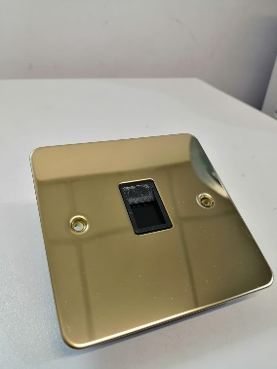
20 | A&T | CHINA | A156SBF | 2G DATA | 443 | 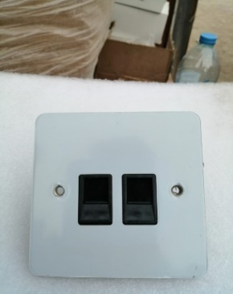
21 | A&T | CHINA | A154SCFSC | IG TEL | 760 | 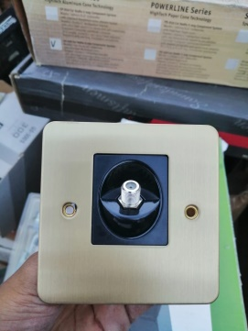
22 | A&T | CHINA | A120SBF | 15A D.P | 549 | 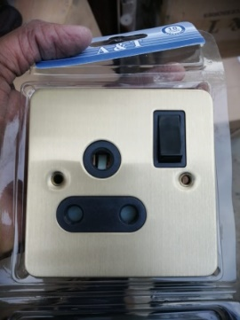
23 | A&T | CHINA | A167SCF | SATELITE + tv | 1539
24 | A&T | CHINA | A168BRF | 2G SATELITE | 930
25 | A&T | CHINA | A171SBF | 2G BLANK PLATE | 435
26 | A&T | CHINA | A171CRFCF | BLANK | 482
27 | A&T | CHINA | A093BNF | 13A 2G | 1235

 |  |  |  | TOTAL | 27,043

