HAGER
SL NO | BRAND | ITEM NAME | DESCRIPTION | QUANTITY | BOX | IMAGES
4 | HAGER | CZ001 | 230-440V 6A AC | 170 | 170 | 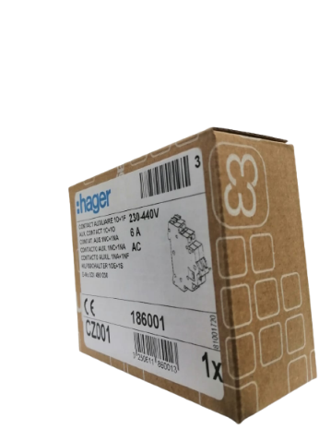 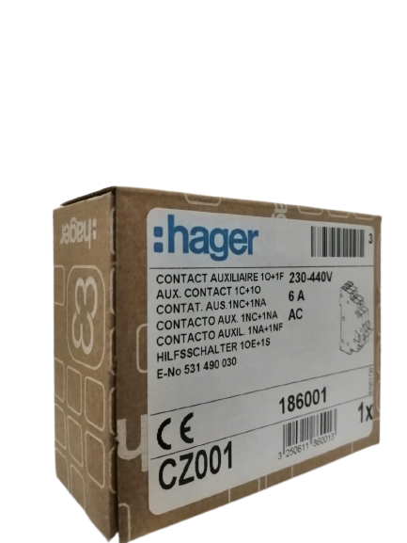 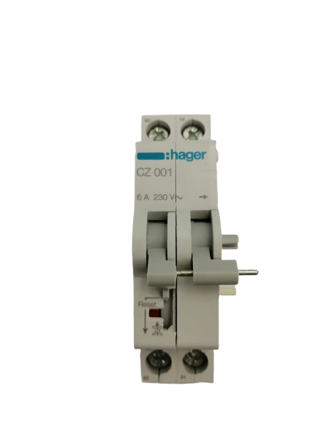

 |  |  | TOTOAL QUANTIITY | 170

