DORMAN SMITH
SL NO | BRAND | ITEM NAME | DESCRIPTION | QUANTITY | IMAGES
1 | DORMAN SMITH | S3PC25 | 25A 3pole mcb 6ka | 168 | 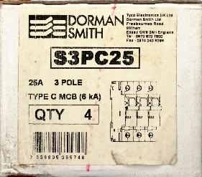
2 | DORMAN SMITH | W2N3P20T5 | 20A 3p MCCB | 33
3 | DORMAN SMITH | W2N3P50T5 | 50A 3p MCCB | 3 | 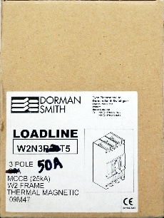
4 | DORMAN SMITH | W2N3P32T5 | 32A 3p MCCB | 11 | 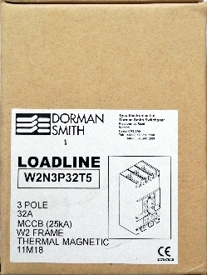
5 | DORMAN SMITH | YA3N3P50T | 50A 3p MCCB | 9 | 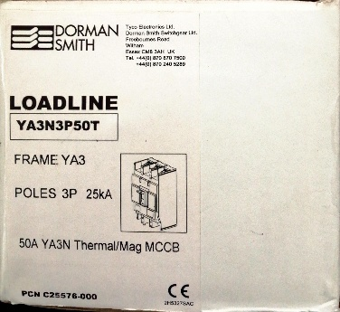 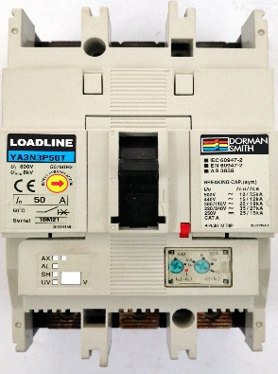
 |  |  | TOTAL QUANTITY | 224

