WATCHES
PHOTO | PHOTO | REFERENCE NO. | DESCRIPTION | TOTAL STOCK ON HAND | PRICE PER PIECE | LUMP SUM OFFER

1 | 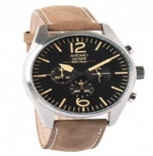 | OAG004 | Antonio Giovine Chronograph Watch | 544 | 50.00 | 27,200.00
2 |  | OAG003 | Antonio Giovine Watch | 255 | 50.00 | 12,750.00
3 | 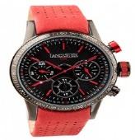 | OLAEK2014NRRS | Lancaster Missouri Watch | 1161 | 90.00 | 104,490.00
4 | 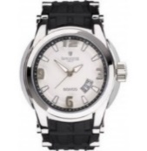 | OLA0549SSBN/NR | Lancaster Bonggo Watch | 558 | 90.00 | 50,220.00
5 | 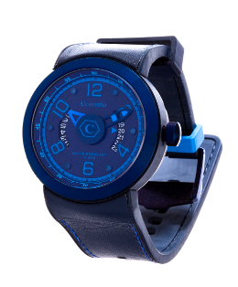 | CWA6004 | Centurio Aqua Azure Watch | 862.00 | 50.00 | 43,100.00
 |  |  | GRAND TOTAL | 3,380

