Sheet1
Name | Quantity | Weight | Picture | Picture | Picture | T. quantity
Radiator | 30 | 4.4 | 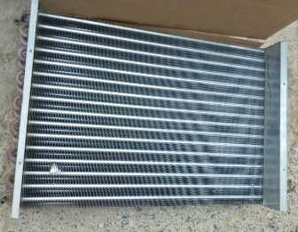 |  |  | 132
Exhaust Fan 16" | 10 | 4.5 | 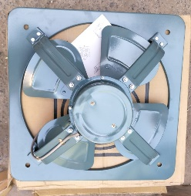 | 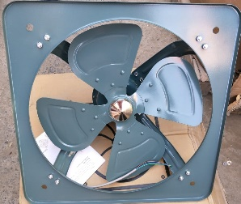 |  | 45
Exhaust Fan 18" | 20 | 6 |  |  |  | 120
Exhaust Fan 18" | 10 | 13.3 | 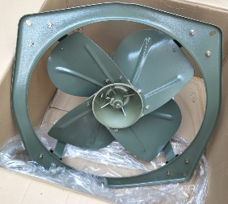 | 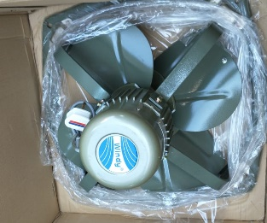 | 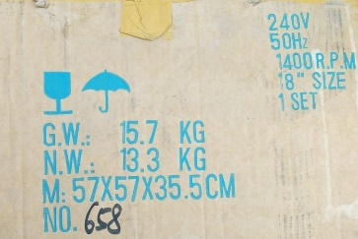 | 133
Exhaust Fan 24" | 4 | 24.7 | 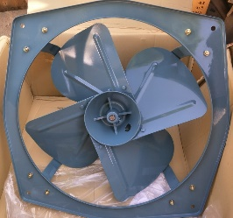 | 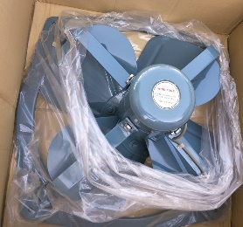 |  | 98.8
Univesel Ac Motor | 20 | 5.3 |  |  | 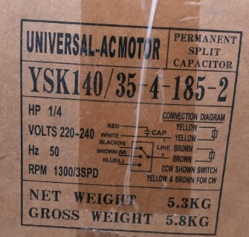 | 106
 | 94 |  |  |  |  | 634.8

