Sheet2 (2)
Schneider ACB
SR. No. | Description | Model |  | Qty
1 | 8p 4000 A | NW40H14D5EVVAA022C | with trolley | 2 | 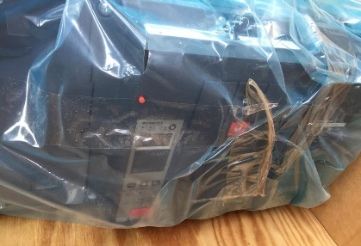 | 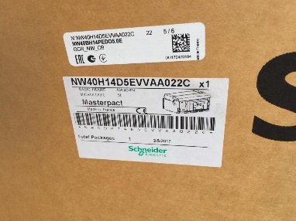
2 | 3p 800 A easy pack | MVS08H3MW0D | with trolley | 1 | 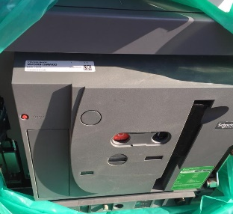 | 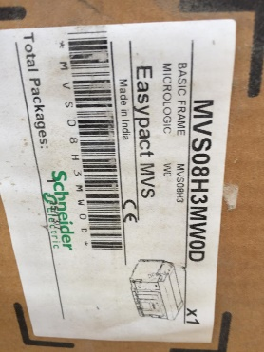
3 | 3p 2500 A | NW25HA3DXXVVXX1420 | with trolley | 1 | 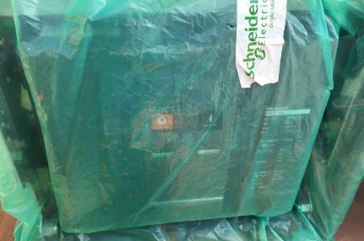 | 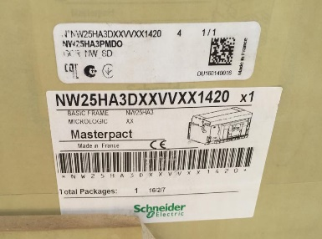
4 | 6p 6300 A | NW63H13PMD02.0A | with trolley | 1 |  | 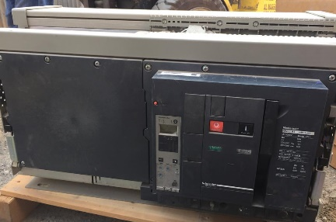
5 | 4p 1600 A | NW16HA4PED0 | with trolley | 1 | 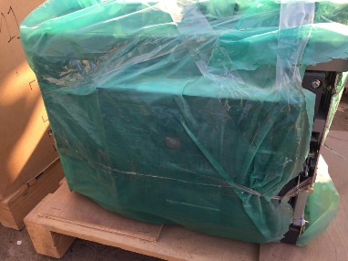
6 | 4p 2500 A | NW25H14PED06.0E | with trolley | 1 | 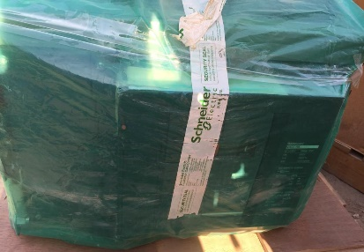 | 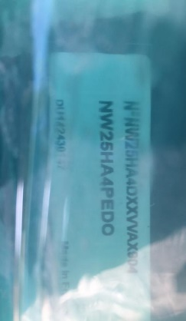
7 | 3p 2000 A easy pack | MVS20H3MW0D | with trolley | 1 | 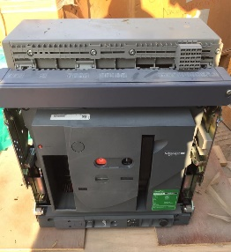 | 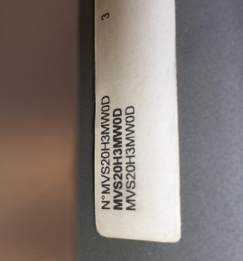
8 | 4p 2500 A easy pack | MVS25H4MW0D | with trolley | 1 | 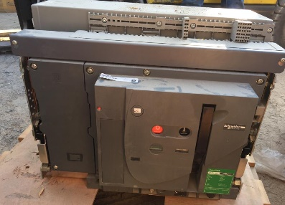
Total |  |  |  | 9

Schneider Trolly
SR. No. | Description | Model |  | Qty
1 | 3p | NW32H13D6EVVAX505B | Only trolly | 1 | 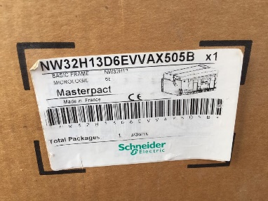

Total |  |  |  | 1

